Optimizer
 | Matthew Dorris
 | Baseball Optimization Analysis

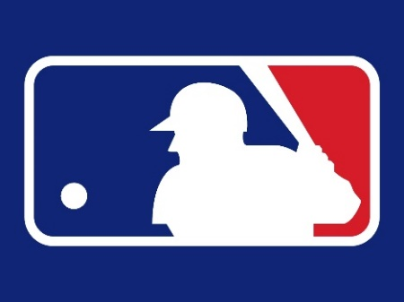


Points | 117.03345869 | Clayton Kershaw | Kyle Hendricks | Hunter Renfroe | Roman Quinn
Cost | 50000
 |  | Hunter Renfroe | Logan Forsythe | Mike Moustakas | Buster Posey

